Parameters
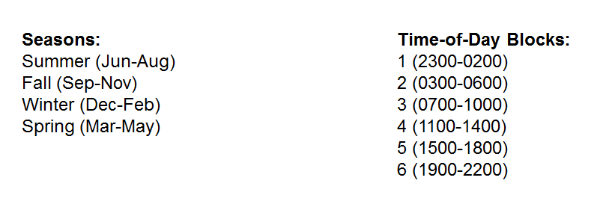
Parameters
MRR (MW) | 2100
Max Penalty Factor ($/MWh) | 2000

