Parameter Example
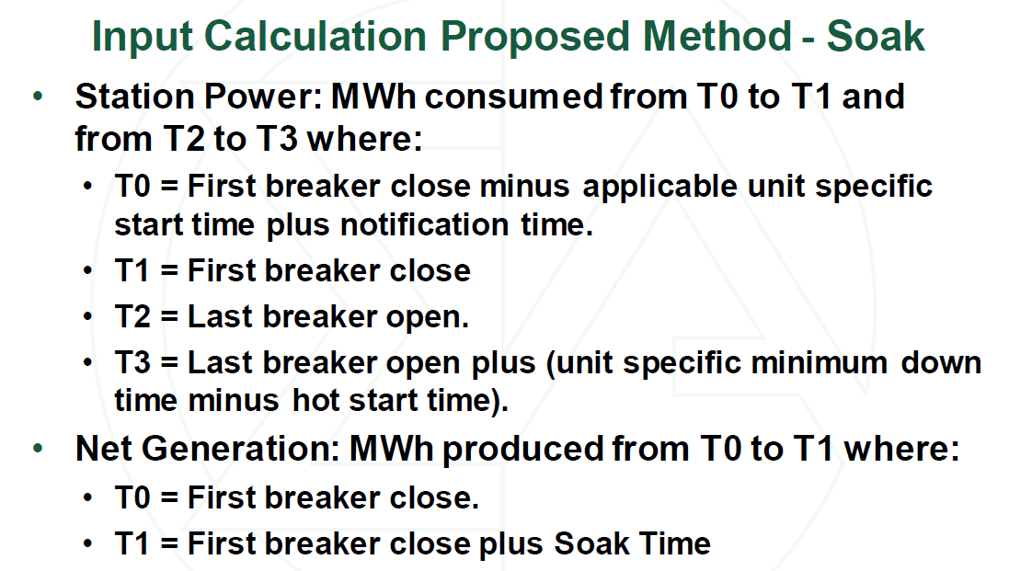
 | hours | minutes | Event | Time | Station Power | Time | Event/Definition
Notification Time | 1.0 | 60 |  | 1/1/21 | SP_T0 | 1/1/21 | Breaker close minus time to start
Start Time | 0.5 | 30 |  | 1/1/21 | SP_T1 | 1/1/21 | Breaker close
Time to start | 1.5 | 90 |  | 1/1/21 | SP_T2 | 1/1/21 | Breaker open
 |  |  |  | 1/1/21 | SP_T3 | 1/1/21 | Breaker open plus shutdown
Min Run Time | 4.0 | 240 | Breaker Close | 1/1/21
Min Down Time | 3.5 | 210 |  | 1/1/21 | Station Power = Power Consumed between T0 and T1 + Power Consumed between T2 and T3 (above normal station use)
Soak Time | 2.0 | 120 |  | 1/1/21
 |  |  |  | 1/1/21
 |  |  |  | 1/1/21
 |  |  |  | 1/1/21 | Net Gen | Time | Event/Definition
 |  |  |  | 1/1/21 | NG_T0 | 1/1/21 | Breaker close
 |  |  |  | 1/1/21 | NG_T1 | 1/1/21 | Breaker close plus soak time
 |  |  |  | 1/1/21
 |  |  |  | 1/1/21 | Net Gen = Generation Produced between T0 and T1
 |  |  |  | 1/1/21
 |  |  |  | 1/1/21
 |  |  |  | 1/1/21
 |  |  |  | 1/1/21 | Fuel | Time | Event/Definition
 |  |  |  | 1/1/21 | F_T0 | 1/1/21 | Breaker close minus time to start
 |  |  | Breaker Open | 1/1/21 | F_T1 | 1/1/21 | Breaker close plus soak time
 |  |  |  | 1/1/21 | F_T2 | 1/1/21 | Breaker open
 |  |  |  | 1/1/21 | F_T3 | 1/1/21 | Breaker open plus shutdown
 |  |  |  | 1/1/21
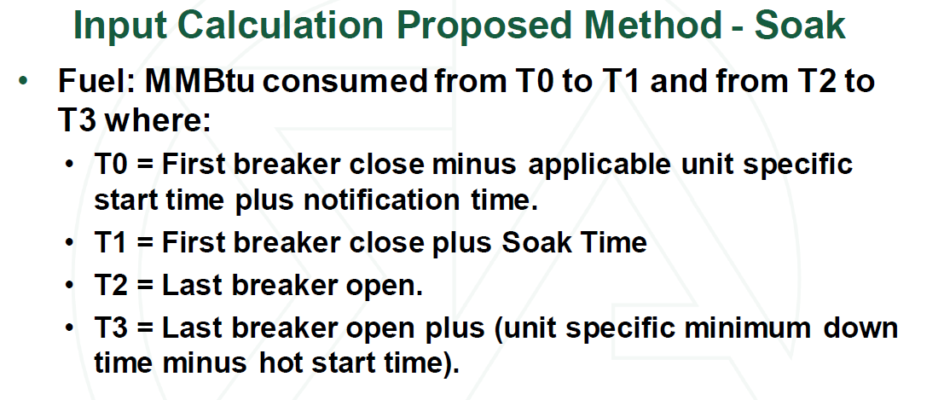
 |  |  |  | 1/1/21 | Fuel = Fuel Consumed between T0 and T1 + Fuel Consumed between T2 and T3
 |  |  |  | 1/2/21

