Proposal Reminder
PJM provided an overview of proposed reforms to the reserve market uplift (lost opportunity cost credit) calculations at the April 13, 2026 RCSTF meeting.
Two slides from this presentation are included below as a refresher.
See slides 9 - 26 in the posted presentation from the April 13 meeting:
Item 05 - Reserve Market Settlements

The purpose of this spreadsheet is to provide examples illustrating and supporting the proposed calculation reforms.
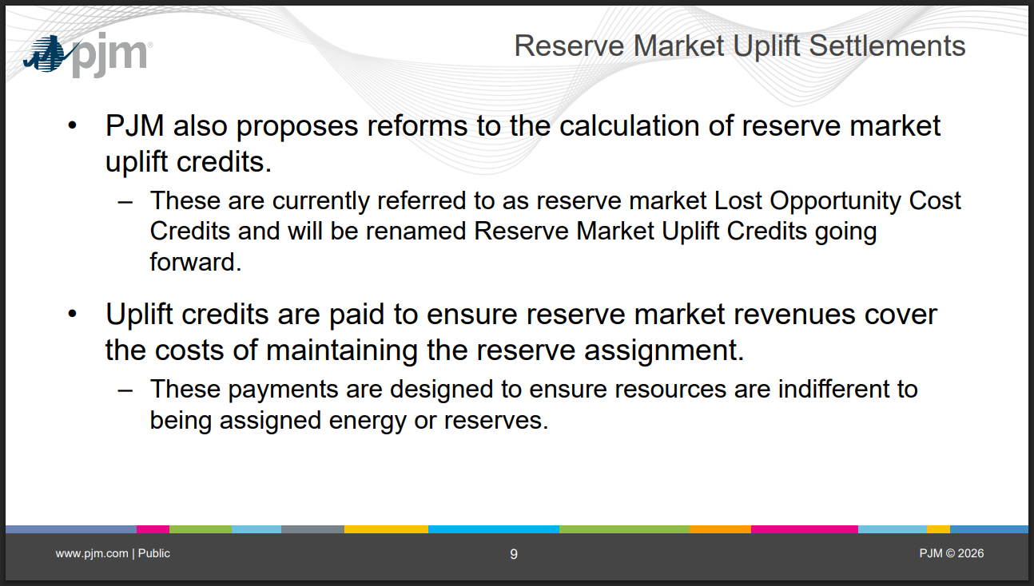

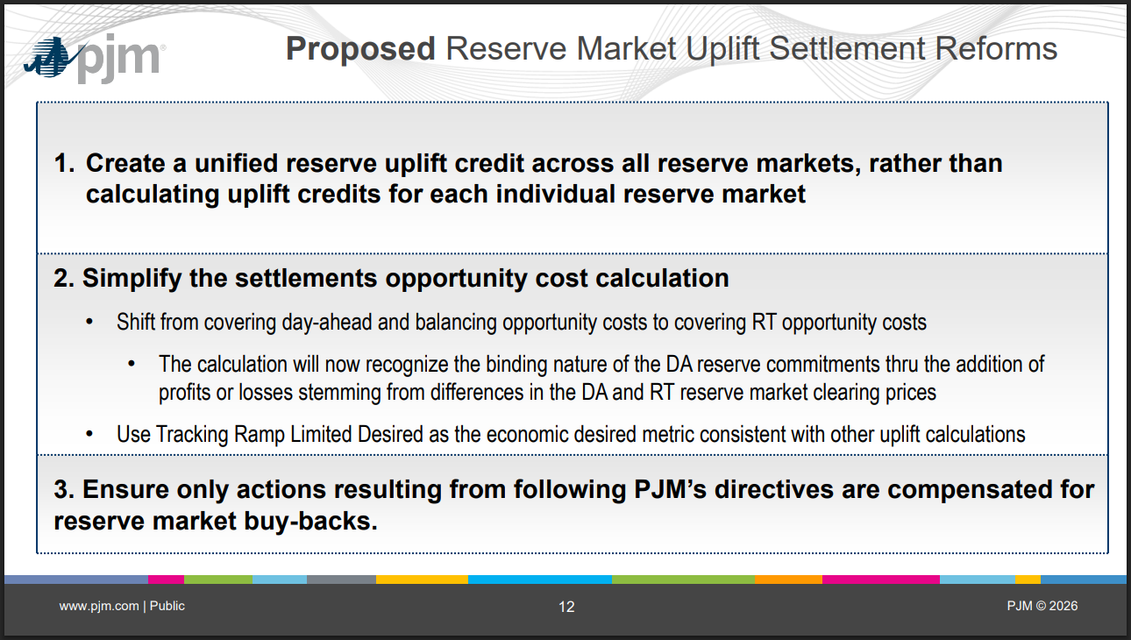

Example 1
 |  |  | Scenario | In the DA Market, resource has headroom to provide a 25 MW SecR/30-Min RUR assignment and 10 MW SR assignment and is not required to reduce from its economically desired output to provide reserves.
 |  |  |  | In the RT Market, resource was reduced from its economically desired output of 95 MW to provide a 35 MW SecR/30-Min RUR assignment and 10 MW SR assignment.

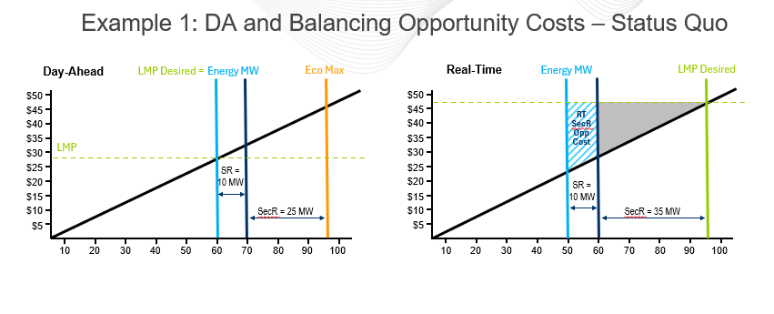
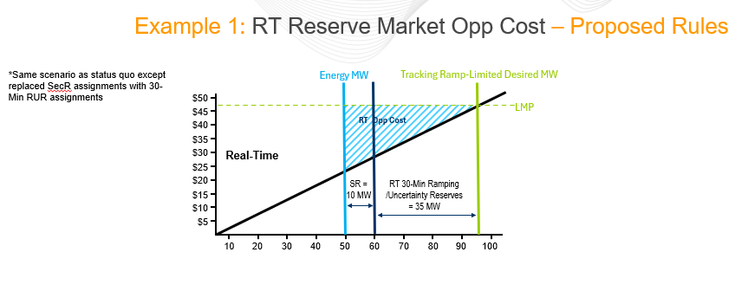

Market Results and Offer Parameters

Day-ahead Market Information |  |  |  | Real-time Market Information |  | Incremental Energy Offer
SR MW | 10 |  |  | SR MW | 10 | Segment | MW | Price | Segment Offer Cost
SR MCP | $5.00 |  |  | SR MCP | $10.00 | 1 | 20 | 10 | $200.00
DA SR Offer | $- |  |  | RT SR Offer | $- | 2 | 50 | 25 | $525.00
 |  |  |  |  |  | 3 | 60 | 30 | $275.00
SecR/30-Min RUR MW | 25 |  |  | SecR/30-Min RUR MW | 35 | 4 | 70 | 35 | $325.00
SecR/30-Min RUR MCP | $2.00 |  |  | SecR/30-Min RUR MCP | $5.00 | 5 | 95 | 48 | $1,037.50

LMP | $30.00 |  |  | LMP | $48.00
LMP Desired MW | 60 |  |  | LMP Desired MW | 95

Opportunity Cost Calculations

Status Quo |  |  |  |  |  |  |  |  |  | Proposed
Opportunity costs are calculated for the day ahead assignment, and any additional MW backed down in RT, in excess of the DA assignment |  |  |  |  |  |  |  |  |  | Opportunity costs are calculated for all MW backed down in real-time
DA Opportunity Costs |  |  | RT "Balancing" Opportunity Costs |  |  |  |  |  |  | RT Opportunity Costs
 | SR DA Cost for backed down MW | $- |  | SR RT Cost for backed down MW | $- |  |  |  |  |  | RT Cost for backed down MW | $1,637.50
 | SR DA LMP Revenues for backed down MW | $- |  | SR RT LMP Revenues for backed down MW | $- |  |  |  |  |  | RT LMP Revenues for backed down MW | $2,160.00
 | DA SR Opportunity Cost | $- |  | RT SR Opportunity Cost | $- |  |  |  |  |  | RT Reserve Market Opp Cost | $522.50

 | SecR DA Cost for backed down MW | $- |  | SecR RT Cost for backed down MW | $275.00
 | SecR DA LMP Revenues for backed down MW | $- |  | SecR RT LMP Revenues for backed down MW | $480.00
 | DA SecR Opportunity Cost | $- |  | RT SecR Opportunity Cost | $205.00

Uplift* Calculations
*as part of the PJM proposal, reserve market lost opportunity cost (LOC) credits will be renamed reserve market uplift credits.

Status Quo |  |  |  |  |  |  |  |  | Proposed |  |  |  | Mathematical proof to support proposed calculations
Uplift credits are calculated separately by market |  |  |  |  |  |  |  |  | A single uplift credit is calculated across all reserve markets |  |  |  | The purpose of the opportunity cost calculation is to ensure the resource makes at least as much profit being assigned reserves as it would have if it was assigned energy.
Sync Reserve Uplift Credit |  |  | Sec Reserve Uplift Credit |  |  |  |  |  | Uplift Credit |  |  |  | Hypothetical billing if 35 MW (DA portion of the RT assignment) was assigned energy rather than reserves (i.e. what the net profit would have been if those MW were assigned as energy). |  |  |  | Hypothetical billing if additional 10 MW RT assignment was assigned energy rather than reserves (i.e. what the net profit would have been if those MW were assigned as energy).
 | DA SR Offer Amount | $- |  |  |  |  |  |  |  | RT SR Offer Amount | $- |  |  | DA SRMCP Credit | $50.00 |  | $- | DA SRMCP Credit
 | RT SR Offer Amount | $- |  |  |  |  |  |  |  | RT 30 Min RUR Offer Amount | $- |  |  | DA 30-Min RUR MCP Credit | $50.00 |  | $- | DA 30-Min RUR MCP Credit
 |  |  |  |  |  |  |  |  |  |  |  |  |  | Bal SRMCP Credit | $(100.00) |  | $- | Bal SRMCP Credit
 | DA SR Opportunity Cost | $- |  | DA SecR Opportunity Cost | $- |  |  |  |  | RT Opportunity Cost | $522.50 |  |  | Bal 30-Min RUR MCP Credit | $(125.00) |  | $- | Bal 30-Min RUR MCP Credit
 | RT SR Opportunity Cost | $- |  | RT SecR Opportunity Cost | $205.00 |  |  |  |  | Additional SR DA Buyout Cost | $50.00 |  |  | LMP Revenues for RT Energy MW | $1,680.00 |  | $480.00 | LMP Revenues for RT Energy MW
 |  |  |  |  |  |  |  |  |  | Additional 30_Min RUR DA Buyout Cost | $75.00
 |  |  |  |  |  |  |  |  |  |  |  |  |  | Hypothetical PJM Bill Total | $1,555.00 |  | $480.00 | Hypothetical PJM Bill Total
 | DA SRMCP Credit | $50.00 |  | DA SecRMCP Credit | $50.00 |  |  |  |  | DA SRMCP Credit | $50.00 |  |  | Cost for additional Energy MW | $1,362.50 |  | $275.00 | Cost for additional Energy MW
 | BAL SRMCP Credit | $- |  | BAL SecRMCP Credit | $50.00 |  |  |  |  | BAL SRMCP Credit | $- |  |  | Net Profit | $192.50 |  | $205.00 | Net Profit
 | Market Revenue Neutrality Offset | $- |  | Market Revenue Neutrality Offset | $- |  |  |  |  | DA 30-Min RUR MCP Credit | $50.00
 | SR Opp Cost Credit Owed | $- |  | SecR Opp Cost Credit Owed | $- |  |  |  |  | Bal 30-Min RUR MCP Credit | $50.00
 |  |  |  |  |  |  |  |  |  | Market Revenue Neutrality Offset | $-
 | Reserve Market Costs | $- |  | Reserve Market Costs | $205.00 |  |  |  |  | SR Opp Cost Credit Owed | $-
 | Reserve Market Revenues | $50.00 |  | Reserve Market Revenues | $100.00 |  |  |  |  | 30-Min RUR Opp Cost Owed | $-

The above example is broken out into two MW segments - the RT MW that overlap with the DA assignment and the additional RT assignment in excess of the DA assignment. The $192.50 is the net profit received if the resource was assigned 35 MW of energy instead of reserves and factors in the cost (or negative revenue) associated with buying out of the DA reserve assignment if not assigned reserves in RT. The $205.00 is the forgone profit for the additional 10 MW assignment in RT in excess of the DA assignment. There is no DA buy cost for those MW. Together, this illustrates the net profit the resource would have received if assigned for energy instead of the RT reserve assignment of 45 MW. This matches the $397.50 in Reserve Market Costs (RT Opportunity Cost minus Additional DA Buy Out Costs) reflected in the proposed calculation.
 | Uplift Credit | $- |  | Uplift Credit | $105.00 |  |  |  |  | Reserve Market Costs | $397.50 |  |  |  |  | Total profit if provide energy instead of Reserves | $397.50
 |  |  |  |  |  |  |  |  |  | Reserve Market Revenues | $150.00

 |  |  |  |  |  |  |  |  |  | Uplift Credit | $247.50

Takeaway:
Status Quo Uplift Credits:
The status quo Reserve Market uplift credits currently referred to as Lost Opportunity Cost Credits are paid separately by reserve market (Synchronized Reserve, Secondary Reserve, and Non-Synchronized Reserve). For each reserve market, a single uplift credit accounts for both Day-ahead and Real-time market costs and revenues. The uplift credit is paid when revenues do not exceed costs.
Synchronized Reserve Uplift Credit (Status Quo) = Max { DA SR Offer Amount + RT SR Offer Amount + DA SR Opportunity Cost + Real-time SR Opportunity Cost } - {DA SRMCP Credit + Balancing SRMCP Credit + Market Revenue Neutrality Offset + SR Opportunity Cost Credit Owed - SR Applied Shortfall Charge} , 0
Secondary Reserve Uplift Credit (Status Quo) = Max { DA SecR Opportunity Cost + Real-time SecR Opportunity Cost } - {DA SecRMCP Credit + Balancing SecRMCP Credit + Market Revenue Neutrality Offset + SecR Opportunity Cost Credit Owed } , 0
The status quo uplift credit includes a Day-ahead Opportunity Cost and Real-time Opportunity Cost, calculated as the forgone energy profit due to backing down/producing less energy to make room for the reserve assignmnet. This ensures the resource is indifferent to being assigned reserves or energy. A non-zero opportunity cost will be calculated when LMP supports the resource operating at a greater output for energy than where it needs to operate in order to provide the reserves assignment. The status quo DA opportunity cost is calculated for the DA reserve assignment while the RT opportunity cost is a balancing calculation and is calculated for any additional reserves assigned in the RT market. Additionally, the DA and RT opportunity costs calculation in both the SR or SecR markets accounts for assignments in the other reserve market to prevent double counting.
Example 1 Status Quo Opportunity Costs and Uplift Credits:
In the DA Market, the resource has headroom to provide a 10 MW DA SR assignment and a 25 MW DA SecR assignment and is not required to reduce from its DA economically desired output of 60 MW to provide reserves. As a result the DA SR Opportunity Cost is $0 and the DA SecR Opportunity Cost is $0.
In the RT Market, LMP has risen and the resource has a Desired MW value of 95 MW. In order to provide the 10 MW RT SR assignment and the 35 MW RT SecR assignment the resource must back down to 50 MW of energy. The status quo RT opportunity cost calculation is a balancing equation and is only calculated for reserve products that have an increase in the RT assignment from the DA reserve assignment.
Because there was no increase in the RT SR assignment (RT SR MW = 10 MW, DA SR MW = 10 MW), RT SR Opportunity Costs = $0
Because the RT SecR assignment is the only reserve assignment that increased from DA to RT, the area shaded in Blue from 50 MW to 60 MW is calculated as the Balancing SecR opp cost. The area shaded in grey represent the MWs that were captured by the DA opportunity cost which was $0. A shortcoming of this approach is that this is not reflective of the actual opportunity cost in RT.
RT SecR Opportunity Cost = RT LMP Revenues for additional 10 MW backed down in RT - RT Cost for additional 10 MW backed down in RT = $480 - $275 = $205
Synchronized Reserve Uplift Credit (Status Quo) = Max { DA SR Offer Amount + RT SR Offer Amount + DA SR Opportunity Cost + Real-time SR Opportunity Cost } - {DA SRMCP Credit + Balancing SRMCP Credit + Market Revenue Neutrality Offset + SR Opportunity Cost Credit Owed - SR Applied Shortfall Charge} , 0
SR Uplift Credit (Status Quo) = Max {0+0+0+0} - {50+0+0+0} , 0 = $0
Secondary Reserve Uplift Credit (Status Quo) = Max { DA SecR Opportunity Cost + Real-time SecR Opportunity Cost } - {DA SecRMCP Credit + Balancing SecRMCP Credit + Market Revenue Neutrality Offset + SecR Opportunity Cost Credit Owed } , 0
SecR Uplift Credit (Status Quo) = Max {0 + 205} - {50 + 50 + 0 + 0} = $105
Proposed Uplift Credits:
The proposed unified reserve market uplift credit would be calculated across all reserve markets, rather than calculating uplift credits for each individual reserve market. The uplift credit would be paid when the revenues do not exceed the costs across all reserve markets. Like the status quo, the uplift calculation would continue to include any make whole needed due to reserve market buybacks, unless the resource's own actions caused the decreas in reserve market assignments.
Unified Reserve Market Uplift Credit (Proposed) = Max {RT Reserve Market Offer Amounts + Real-time Opportunity Cost - Additional DA Buy Out Cost} - {DA Reserve Market CP Credits + Balancing Reserve Market CP Credits + Market Revenue Neutrality Offset + Opportunity Cost Credit Owed } , 0
Example 1 Proposed Opportunity Costs and Uplift Credits:
The scenario illustrating the proposed uplift calculation is the same scernario as the status quo except that the SecR assignments were replaced with the 30-minute RUR assignments to better reflect the proposed suite of reserve products.
In the DA Market, the resource has headroom to provide a 10 MW DA SR assignment and a 25 MW DA 30-min RUR assignment and is not required to reduce from its DA economically desired output of 60 MW to provide reserves. However, the proposed reserve market uplift calculation no longer considers DA reserve market opportunity costs. The proposed calculation shifts to focus on RT opportunity costs, but still accounts for the financially binding nature of the DA commitment by recognizing the additional cost the resource would incur to buy out of the DA market (in excess of the DA revenues) if the resource was assigned energy instead of the assigned RT reserve MW.
In the RT Market, the resource has a Tracking Ramp Limited Desired MW value of 95 MW. In order to provide the 10 MW RT SR assignment and the 35 MW RT 30-Min RUR assignment, the resource must back down to 50 MW of energy. Under the proposed RT Opportunity cost calculation, the area shaded in blue from 50 MW to 95 MW is calculated as the Reserve Market opportunity cost.
RT Reserve Market Opportunity Cost = RT LMP Revenues for 45 MW backed down in RT - RT Cost for 45 MW backed down in RT = $2160 - $1637.50 = $522.50
Additional DA SR Buy Out Cost = Min (DA SR Assignment, RT SR Assignment) X (RT SRMCP - DA SRMCP) = Min (10, 10) X (10 - 5) = $50
Additional DA 30-Min RUR Buy Out Cost = Min (DA 30-Min RUR Assignment, RT 30-Min RUR Assignment) X (RT 30-Min RUR MCP - DA 30-Min RUR MCP) = Min (25, 35) X (5 - 2) = $75
Note: The Additional DA Buy Out Cost will be implemented as Max(0, Amount backed down in RT - Max(RT Reserve MW - DA Reserve MW,0)). This ensures that if a resource is partially backed down in RT the calculation correctly captures only the amount backed down that overlaps with the DA reserve assignment (and no more).
Unified Reserve Market Uplift Credit (Proposed) = Max {RT Reserve Market Offer Amounts + Real-time Opportunity Cost - Additional DA Buy Out Cost} - {DA Reserve Market CP Credits + Balancing Reserve Market CP Credits + Market Revenue Neutrality Offset + Opportunity Cost Credit Owed } , 0 = Max {0 + 522.50 - 50 - 75 } - {100 + 50 + 0 + 0 } , 0 = 397.50 - 150 = $247.50
Status Quo vs. Proposed Uplift Comparison:
The uplift credit is higher under the proposal than the status quo because the proposal more accurately captures the opportunity cost the resource incurs by accepting the RT reserve assignment and not generating energy MW when it would otherwise be profitable to do so. The mathematical proof above demonstrates that the new uplift calculation ensures the resource receives, at minimum, the net profit the resource would have received if it was assigned energy instead of reserves.

Example 2
 |  |  | Scenario | In the DA Market, resource was reduced from its economically desired output of 95 MW to provide a 25 MW 30-Min RUR assignment and 10 MW SR Assignment
 |  |  |  | In the RT Market, the resource was reduced from its economically desired output of 95 MW to provide a 35 MW 30-Min RUR assignment and 10 MW SR assignment.
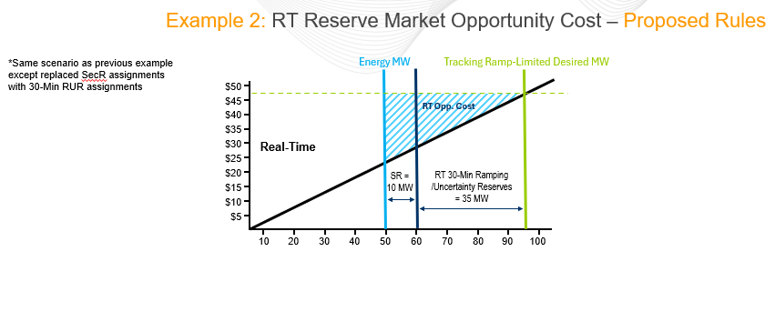

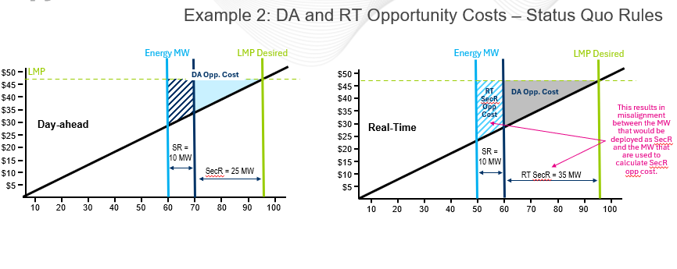

Market Results and Offer Parameters

Day-ahead Market Information |  |  |  | Real-time Market Information |  | Incremental Energy Offer
SR MW | 10 |  |  | SR MW | 10 | Segment | MW | Price | Segment Offer Cost
SR MCP | $5.00 |  |  | SR MCP | $10.00 | 1 | 20 | 10 | $200.00
DA SR Offer | $- |  |  | RT SR Offer | $- | 2 | 50 | 25 | $525.00
 |  |  |  |  |  | 3 | 60 | 30 | $275.00
SecR/30-Min RUR MW | 25 |  |  | SecR/30-Min RUR MW | 35 | 4 | 70 | 35 | $325.00
SecR/30-Min RUR MCP | $2.00 |  |  | SecR/30-Min RUR MCP | $5.00 | 5 | 95 | 48 | $1,037.50

LMP | $48.00 |  |  | LMP | $48.00
LMP Desired | 95 |  |  | LMP Desired | 95

Opportunity Cost Calculations

Status Quo |  |  |  |  |  |  |  |  |  | Proposed
Opportunity costs are calculated for the day ahead assignment, and any additional MW backed down in RT, in excess of the DA assignment |  |  |  |  |  |  |  |  |  | Opportunity costs are calculated for all MW backed down in real-time
DA Opportunity Costs |  |  | RT "Balancing" Opportunity Costs |  |  |  |  |  |  | RT Opportunity Costs
 | SR DA Cost for backed down MW | $325.00 |  | SR RT Cost for backed down MW | $- |  |  |  |  |  | RT Cost for backed down MW | $1,637.50
 | SR DA LMP Revenues for backed down MW | $480.00 |  | SR RT LMP Revenues for backed down MW | $- |  |  |  |  |  | RT LMP Revenues for backed down MW | $2,160.00
 | DA SR Opportunity Cost | $155.00 |  | RT SR Opportunity Cost | $- |  |  |  |  |  | RT Reserve Market Opp Cost | $522.50

 | SecR DA Cost for backed down MW | $1,037.50 |  | SecR RT Cost for backed down MW | $275.00
 | SecR DA LMP Revenues for backed down MW | $1,200.00 |  | SecR RT LMP Revenues for backed down MW | $480.00
 | DA SecR Opportunity Cost | $162.50 |  | RT SecR Opportunity Cost | $205.00

 |  |  |  | Total DA and RT Opportunity Cost | $522.50

Uplift Calculations

Status Quo |  |  |  |  |  |  |  |  | Proposed |  |  |  | Mathematical proof to support proposed calculations
Uplift credits are calculated separately by market |  |  |  |  |  |  |  |  | A single uplift credit is calculated across all reserve markets |  |  |  | The purpose of the opportunity cost calculation is to ensure the resource makes at least as much profit being assigned reserves as it would have if it was assigned energy.
Sync Reserve Uplift Credit |  |  | Sec Reserve Uplift Credit |  |  |  |  |  | Uplift Credit |  |  |  | Hypothetical billing if 35 MW (DA portion of the RT assignment) was assigned energy rather than reserves (i.e. what the net profit would have been if those MW were assigned as energy). |  |  |  | Hypothetical billing if additional 10 MW RT assignment was assigned energy rather than reserves (i.e. what the net profit would have been if those MW were assigned as energy).
 | DA SR Offer Amount | $- |  |  |  |  |  |  |  | RT SR Offer Amount | $- |  |  | DA SRMCP Credit | $50.00 |  | $- | DA SRMCP Credit
 | RT SR Offer Amount | $- |  |  |  |  |  |  |  | RT 30 Min RUR Offer Amount | $- |  |  | DA 30-Min RUR MCP Credit | $50.00 |  | $- | DA 30-Min RUR MCP Credit
 |  |  |  |  |  |  |  |  |  |  |  |  |  | Bal SRMCP Credit | $(100.00) |  | $- | Bal SRMCP Credit
 | DA SR Opportunity Cost | $155.00 |  | DA SecR Opportunity Cost | $162.50 |  |  |  |  | RT Opportunity Cost | $522.50 |  |  | Bal 30-Min RUR MCP Credit | $(125.00) |  | $- | Bal 30-Min RUR MCP Credit
 | RT SR Opportunity Cost | $- |  | RT SecR Opportunity Cost | $205.00 |  |  |  |  | Additional SR DA Buyout Cost | $50.00 |  |  | LMP Revenues for RT Energy MW | $1,680.00 |  | $480.00 | LMP Revenues for RT Energy MW
 |  |  |  |  |  |  |  |  |  | Additional 30_Min RUR DA Buyout Cost | $75.00
 |  |  |  |  |  |  |  |  |  |  |  |  |  | Hypothetical PJM Bill Total | $1,555.00 |  | $480.00 | Hypothetical PJM Bill Total
 | DA SRMCP Credit | $50.00 |  | DA SecRMCP Credit | $50.00 |  |  |  |  | DA SRMCP Credit | $50.00 |  |  | Cost for additional Energy MW | $1,362.50 |  | $275.00 | Cost for additional Energy MW
 | BAL SRMCP Credit | $- |  | BAL SecRMCP Credit | $50.00 |  |  |  |  | BAL SRMCP Credit | $- |  |  | Net Profit | $192.50 |  | $205.00 | Net Profit
 | Market Revenue Neutrality Offset | $- |  | Market Revenue Neutrality Offset | $- |  |  |  |  | DA 30-Min RUR MCP Credit | $50.00
 | SR Opp Cost Credit Owed | $- |  | SecR Opp Cost Credit Owed | $- |  |  |  |  | Bal 30-Min RUR MCP Credit | $50.00
 |  |  |  |  |  |  |  |  |  | Market Revenue Neutrality Offset | $-
 | Reserve Market Costs | $155.00 |  | Reserve Market Costs | $367.50 |  |  |  |  | SR Opp Cost Credit Owed | $-
 | Reserve Market Revenues | $50.00 |  | Reserve Market Revenues | $100.00 |  |  |  |  | 30-Min RUR Opp Cost Credit Owed | $-

The above example is broken out into two MW segments - the RT MW that overlap with the DA assignment and the additional RT assignment in excess of the DA assignment. The $192.50 is the net profit received if the resource was assigned 35 MW of energy instead of reserves and factors in the cost (or negative revenue) associated with buying out of the DA reserve assignment if not assigned reserves in RT. The $205.00 is the forgone profit for the additional 10 MW assignment in RT in excess of the DA assignment. There is no DA buy cost for those MW. Together, this illustrates the net profit the resource would have received if assigned for energy instead of the RT reserve assignment of 45 MW. This matches the $397.50 in Reserve Market Costs (RT Opportunity Cost minus Additional DA Buy Out Costs) reflected in the proposed calculation.
 | Uplift Credit | $105.00 |  | Uplift Credit | $267.50 |  |  |  |  | Reserve Market Costs | $397.50 |  |  |  |  | Total profit if provide energy instead of Reserves | $397.50
 |  |  |  |  |  |  |  |  |  | Reserve Market Revenues | $150.00
 |  |  |  | Total Uplift Credit | $372.50
 |  |  |  |  |  |  |  |  |  | Uplift Credit | $247.50

 |  |  |  |  |  |  |  |  |  | Difference from status quo | $(125.00)
 |  |  |  |  |  |  |  |  |  |  | This is the amount of the Additional DA Buyout Cost across all markets

Takeaway:
Status Quo Uplift Credits:
The status quo Reserve Market uplift credits currently referred to as Lost Opportunity Cost Credits are paid separately by reserve market (Synchronized Reserve, Secondary Reserve, and Non-Synchronized Reserve). For each reserve market a single uplift credit accounts for both Day-ahead and RT market costs and revenues. The uplift credit is paid when revenues do not exceed costs.
Synchronized Reserve Uplift Credit (Status Quo) = Max { DA SR Offer Amount + RT SR Offer Amount + DA SR Opportunity Cost + Real-time SR Opportunity Cost } - {DA SRMCP Credit + Balancing SRMCP Credit + Market Revenue Neutrality Offset + SR Opportunity Cost Credit Owed - SR Applied Shortfall Charge} , 0
Secondary Reserve Uplift Credit (Status Quo) = Max { DA SecR Opportunity Cost + Real-time SecR Opportunity Cost } - {DA SecRMCP Credit + Balancing SecRMCP Credit + Market Revenue Neutrality Offset + SecR Opportunity Cost Credit Owed } , 0
The status quo uplift credit includes a Day-ahead Opportunity Cost and Real-time Opportunity Cost, calculated as the forgone energy profit due to backing down/producing less energy to make room for the reserve assignmnet. This ensures the resource is indifferent to being assigned reserves or energy. A non-zero opportunity cost will be calculated when LMP supports the resource operating at a greater output for energy than where it needs to operate in order to provide the reserves assignment. The status quo DA opportunity cost is calculated for the DA reserve assignment while the RT opportunity cost is a balancing calculation and is calculated for any additional reserves assigned in the RT market. Additionally, the DA and RT opportunity costs in either the SR or SecR markets accounts for assignments in the other reserve market to prevent double counting.
Example 2 Status Quo Opportunity Costs and Uplift Credits:
In the DA Market, the resource was backed down to provide a 10 MW DA SR assignment and a 25 MW DA SecR assignment and is required to reduce from its DA economically desired output of 95 MW to provide reserves.
DA SR Opportunity Cost = DA LMP Revenues for 10 MW backed down DA - RT Cost for 10 MW backed down RT = $480 - $325 = $155
DA SecR Opportunity Cost = DA LMP Revenues for additional 25 MW backed down DA - DA Cost for additional 25 MW backed down DA = $1200 - $1037.50 = $162.50
In the RT Market, the resource has a Tracking Ramp Limited Desired MW value of 95 MW. In order to provide the 10 MW RT SR assignment and the 35 MW RT SecR assignment the resource must back down to 50 MW of energy. The status quo RT opportunity cost calculation is a balancing equation and only calculated for reserve products that have an increase in the RT assignment from the DA reserve assignment.
Because there was no increase in the RT SR assignment (RT SR MW = 10 MW, DA SR MW = 10 MW), RT SR Opportunity Costs = $0
Because the RT SecR assignment is the only reserve assignment that increased from DA to RT, the area shaded in Blue from 50 MW to 60 MW is calculated as the Balancing SecR opp cost. The area shaded in grey represents the MWs that were captured by the DA SR and DA SecR opportunity costs. This results in a misalignment between the MW that would be deployed as SecR and the MW that are being used to calculate SecR opportunity cost. MWs 50-60 are the MWs that would be deployed in the first 10 minutes and therefore would be used for any deployment of Synchronized Reserves. MWs 60 - 95 would be deployed as Secondary Reserve. However, the current calculations lead to a result where the opportunity cost of MWs 50 - 60 are being captured in the Secondary Reserve market.
RT SecR Opportunity Cost = RT LMP Revenues for additional 10 MW backed down in RT - RT Cost for additional 10 MW backed down in RT = $480 - $275 = $205
Synchronized Reserve Uplift Credit (Status Quo) = Max { DA SR Offer Amount + RT SR Offer Amount + DA SR Opportunity Cost + Real-time SR Opportunity Cost } - {DA SRMCP Credit + Balancing SRMCP Credit + Market Revenue Neutrality Offset + SR Opportunity Cost Credit Owed - SR Applied Shortfall Charge} , 0
SR Uplift Credit (Status Quo) = Max {0+0+155+0} - {50+0+0+0} , 0 = $105
Secondary Reserve Uplift Credit (Status Quo) = Max { DA SecR Opportunity Cost + Real-time SecR Opportunity Cost } - {DA SecRMCP Credit + Balancing SecRMCP Credit + Market Revenue Neutrality Offset + SecR Opportunity Cost Credit Owed } , 0
SecR Uplift Credit (Status Quo) = Max {162.50 + 205} - {50 + 50 + 0 + 0} = $267.50
Proposed Uplift Credits:
The proposed unified reserve market uplift credit would be calculated across all reserve markets, rather than calculating uplift credits for each individual reserve market. The uplift credit would be paid when the revenues do not exceed the costs across all reserve markets. Like the status quo, the uplift calculation would continue to include any make whole needed due to reserve market buybacks, unless the resource's own actions caused the decreas in reserve market assignments.
Unified Reserve Market Uplift Credit (Proposed) = Max {RT Reserve Market Offer Amounts + Real-time Opportunity Cost - Additional DA Buy Out Cost} - {DA Reserve Market CP Credits + Balancing Reserve Market CP Credits + Market Revenue Neutrality Offset + Opportunity Cost Credit Owed } , 0
Example 2 Proposed Opportunity Costs and Uplift Credits:
The scenario illustrating the proposed uplift calculation is the same scernario as the status quo except that the SecR assignments were replaced with the 30-minute RUR assignments to better reflect the proposed suite of reserve products.
In the DA Market, the resource was backed down to provide a 10 MW DA SR assignment and a 25 MW DA 30-min RUR assignment and is required to reduce from its DA economically desired output of 95 MW to provide reserves. However, the proposed reserve market uplift calculation no longer considers DA reserve market opportunity costs. The proposed calculation shifts to accounting for the financially binding nature of the DA commitment by recognizing the additional cost the resource would incur to buy out of the DA market (in excess of the DA revenues) if the resource was assigned energy instead of the assigned RT reserve MW.
In the RT Market, the resource has a Tracking Ramp Limited Desired MW value of 95 MW. In order to provide the 10 MW RT SR assignment and the 35 MW RT 30-Min RUR assignment. the resource must back down to 50 MW of energy. Under the proposed RT Opportunity cost calcualtion, the area shaded in blue from 50 MW to 95 MW is calculated as the Reserve Market opportunity cost.
RT Reserve Market Opportunity Cost = RT LMP Revenues for 45 MW backed down in RT - RT Cost for 45 MW backed down in RT = $2160 - $1637.50 = $522.50
Additional DA SR Buy Out Cost = Min (DA Reserve Assignment, RT Reserve Assignment) X (RT SRMCP - DA SRMCP) = Min (10, 10) X (10 - 5) = $50
Additional DA 30-Min RUR Buy Out Cost = Min (DA Reserve Assignment, RT Reserve Assignment) X (RT 30-Min RUR MCP - DA 30-Min RUR MCP) = Min (25, 35) X (5 - 2) = $75
Note: The additional DA SR Buy Out Cost will be implemented as Max(0, Amount backed down in RT - Max(RT Reserve MW - DA Reserve MW,0)) if a resource a resource is partially backed down in RT such that the resource only buys out of the amount backed down that overlaps with the DA reserve assignment
Unified Reserve Market Uplift Credit (Proposed) = Max {RT Reserve Market Offer Amounts + Real-time Opportunity Cost - Additional DA Buy Out Cost} - {DA Reserve Market CP Credits + Balancing Reserve Market CP Credits + Market Revenue Neutrality Offset + Opportunity Cost Credit Owed } , 0 = Max {0 + 522.50 - 50 - 75 } - {100 + 50 + 0 + 0 } , 0 = 397.50 - 150 = $247.50
Status Quo vs. Proposed Uplift Comparison:
The opportunity costs captured under the status quo calculations and the proposal are the same:
Under the status quo, the total opportunity cost is $522.50 (DA SR Opportunity Cost + DA SecR Opportunity Cost + RT SR Opportunity Cost + RT SecR Opportunity Cost).
Under the status quo, the total unified opportunity cost is also $522.50.
The proposed uplift credit is lower because the status quo uplift credit calculations do not account for the additional cost the resource would incur to buy out of the DA market if the resource was assigned energy rather than reserves. This leads to an overestimation of the net revenue the resource would forgo by being assigned for energy instead of reserves (i.e. the value the opportunity cost represents). The proposed calculation shifts to accounting for the full RT opportunity cost and the financially binding nature of the DA commitment by recognizing the additional cost the resource would incur to buy out of the DA market (in excess of the DA revenues) if the resource was assigned energy instead of the assigned RT reserve MW. This leads to a more accurate representation of the cost of accepting the reserve assignment. If assigned energy, the resource would incur an additional $125 of cost due to buying out of the day-ahead reserve market if fully assigned for energy instead of reserves, lowering their net profit by that amount. This proposed calculation recognizes this additional cost and reduction in net profit; therefore the uplift credit under the proposal is less than the uplift credit under the status quo calculations
by this same amount.

