MTSL Information
Guidance for MTSL (minimum tank suction level)
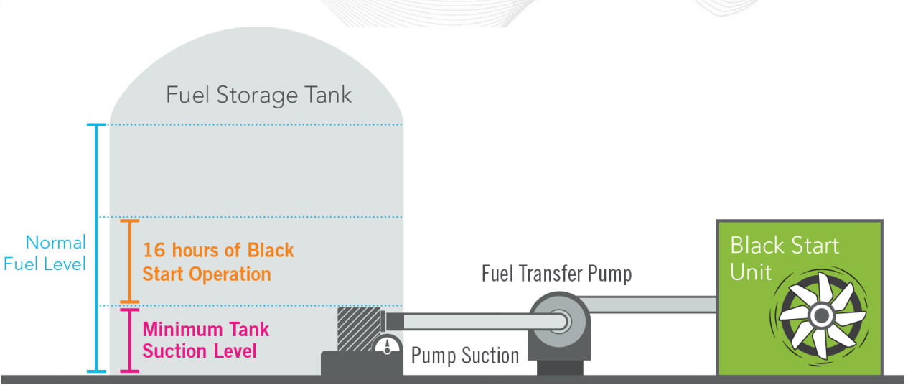

Per PJM OATT Schedule 6A Black Start Service ["MTSL" is the "minimum tank suction level" and shall apply where no direct current pumps are available for the Black Start Unit. In the case where more than one Black Start Unit shares a common fuel tank, only one Black Start Unit will be eligible for the recovery of this volume in its fuel storage cost calculation. The MTSL for the other Black Start Unit(s) sharing the common fuel tank shall be zero.]

MTSL is the amount of fuel at the bottom of a tank which cannot be recovered for use.

The MMU recommends that for oil tanks which are shared with other resources that only a proportionate share of the MTSL be allocated for black start units. Using the following formula: (Unit Fuel Burn Rate X Minimum Run Hours) / (Tank Capacity - MTSL) = %; then multiple the product of % X MTSL to receive the MMU's Black Start MTSL

Example for tank capacity of 4,000,000 gallons; Minimum Tank Suction Level of 800,000 gallons; and Black Start Fuel Burn of 192,000 gallons

MMU MTSL Example: | (to be used to enter MTSL in MIRA)
Tank Capacity = 4,000,000 gals
MTSL = 800,000 gals
Unit Fuel Burn Rate = 12,000 gals per hour
Minimum Run Hours = 16 hours
Total Black Start Fuel Burn = 192,000 gals
Black Start Tank Ratio = (Unit Fuel Burn Rate X 16) / (Tank Capacity - MTSL) = (12,000 gals/hr X 16 hrs)/(4,000,000 gals - 800,000 gls) = 6%
MMU Black Start MTSL = Black Start Tank Ratio X MTSL = 6.0% X 800,000 gals = 48,000 gals

ACTUAL MTSL Example: | (to be used to enter MTSL in this workbook and submit to PJM)
ACTUAL MTSL = 800,000 gals

