P1 ADIT
Duke Energy Ohio and Duke Energy Kentucky

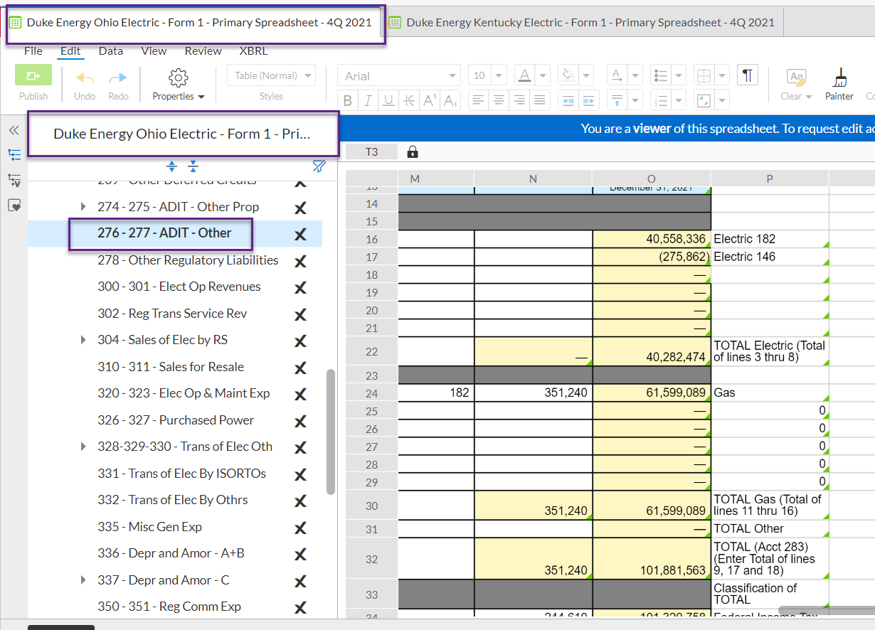
 |  |  |  | Exhibit No. DUK-102 | Account 283
 |  |  |  | Page 1 of 19
 |  |  |  | For the 12 months ended: 12/31/2021

Accumulated Deferred Income Taxes
Account 190, Account 282, and Account 283

Line
No. |  | Account 190 | DEO | DEK

1 | Per Books Total, Page 234, lines 8 & 17, column c |  | $93,793,906 | $53,751,239
2
3 | Less:
4 |  | FAS106 / ASC715 | 2,263,254 | 467,764
5 |  | FAS109 / ASC740 - Gross-up on ITC | 32,795 | 1,074,197
6 |  | Solar ITC | - | 3,235,578
7 |  | Gross-up on Tax Reform EDIT & Amortization | 65,848,361 | 20,197,551
8 |  | Gross-up on State Tax Reform EDIT & Amortization | - | 367,994
9 |  | Electric Non-Utility & Non-Regulated | 638,830 | (249,155)
10 |  | Total Subtracted from Account 190 Balance | $68,783,240 | $25,093,929
11
12 | Adjusted Balances - To Page 2, Line 22 |  | $25,010,666 | $28,657,310
13
14
15 |  | Account 282 | DEO | DEK
16
17 | Per Books Total, Page 275, lines 2, 4 & 6, column k |  | $609,859,949 | $227,752,649
18
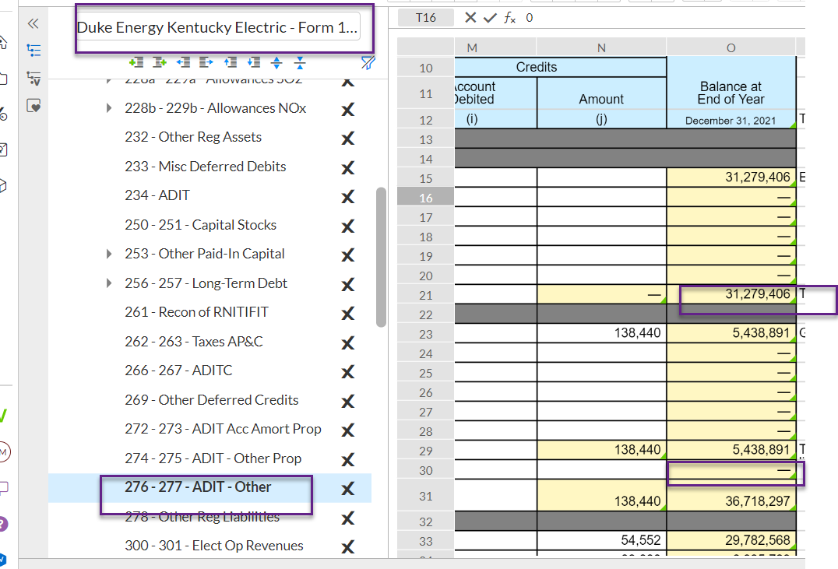
19 | Less:
20 |  | Historical EDIT FAS109/ASC740 - Gross-ups Only | $27,187,734 | $3,488,064
21 |  | Historical EDIT FAS109/ASC740 - Excludes Gross-ups | (3,840,317) | (458,021)
22 |  | Electric Non-Utility & Non-Regulated | 3,679,749 | 23,829,637
23 |  | Total Subtracted from Account 282 Balance | $27,027,166 | $26,859,680
24
25 | Adjusted Balances - To Page 2, Line 20 |  | $582,832,783 | $200,892,969
26
27
28 |  | Account 283 | DEO | DEK
29
30 | Per Books Total, Page 277, lines 9 & 18, column k |  | $40,282,474 | $31,279,405
31
32 | Less:
33 |  | FAS106 / ASC715 | (48,666) | (929,353)
34 |  | FAS109 / ASC740 - Gross-up | 6,352,934 | 1,140,485
35 |  | Electric Non-Utility & Non-Regulated | (63,386) | -
36 |  | Total Subtracted from Account 283 Balance | $6,240,882 | $211,132
37
38 | Adjusted Balances - To Page 2, Line 21 |  | $34,041,592 | $31,068,273

