P14 Sch 1A Rev Cr
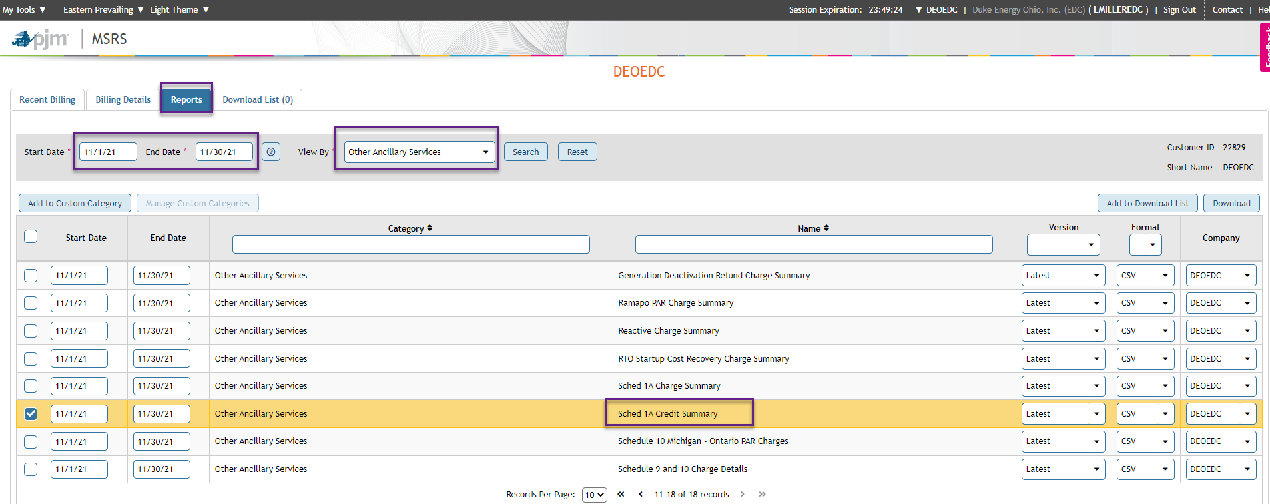
Duke Energy Ohio and Duke Energy Kentucky

 |  |  |  |  |  |  |  | Exhibit No. DUK-102
 |  |  |  |  |  |  |  | Page 14 of 18
 |  |  |  |  |  |  |  | For the 12 months ended: 12/31/2025

Transmission Owner Scheduling, System Control and Dispatch Service Credit Summary
PJM Billing Line Item 2320

 |  |  | Schedule | Schedule
Line | PJM | Month | 1A | 1A Non- |  | PJM |  | Cum.
No. | Invoice | Booked | Zone Credit | Zone Credit | Total | Invoice | Variance | Var.

1 | December 2024 | January 2025 | $(347,894.52) | $(15,487.82) | $(363,382.34) | $(363,382.34) | 0.00 | 0.00
2 | January 2025 | February 2025 | (403,382.91) | (19,533.11) | (422,916.02) | (422,916.02) | 0.00 | 0.00
3 | February 2025 | March 2025 | (335,538.24) | (16,625.42) | (352,163.66) | (352,163.66) | 0.00 | 0.00
4 | March 2025 | April 2025 | (317,652.77) | (16,187.42) | (333,840.19) | (333,840.19) | 0.00 | 0.00
5 | April 2025 | May 2025 | (296,059.52) | (12,312.81) | (308,372.33) | (308,372.33) | 0.00 | 0.00
6 | May 2025 | June 2025 | (299,277.01) | (14,762.21) | (314,039.22) | (314,039.18) | 0.04 | 0.04
7 | June 2025 | July 2025 | (366,860.99) | (16,029.73) | (382,890.72) | (382,890.76) | (0.04) | 0.00
8 | July 2025 | August 2025 | (419,305.34) | (19,004.87) | (438,310.21) | (438,310.21) | 0.00 | 0.00
9 | August 2025 | September 2025 | (368,723.59) | (21,803.42) | (390,527.01) | (390,527.01) | 0.00 | 0.00
10 | September 2025 | October 2025 | (316,876.28) | (16,303.70) | (333,179.98) | (333,179.98) | 0.00 | 0.00
11 | October 2025 | November 2025 | (289,747.08) | (9,798.73) | (299,545.81) | (299,545.81) | 0.00 | 0.00
12 | November 2025 | December 2025 | $(297,214.56) | $(11,355.11) | $(308,569.67) | $(308,569.67) | 0.00 | 0.00
13
14 | Attachment H-22A, Appendix A - Line 2 |  |  | $(189,204.35)

 | Source: PJM MSRS Report Catalog
 | Report Category: Other Ancillary Services
 | Report: Sched 1A Credit Summary

