Major MA Instructions
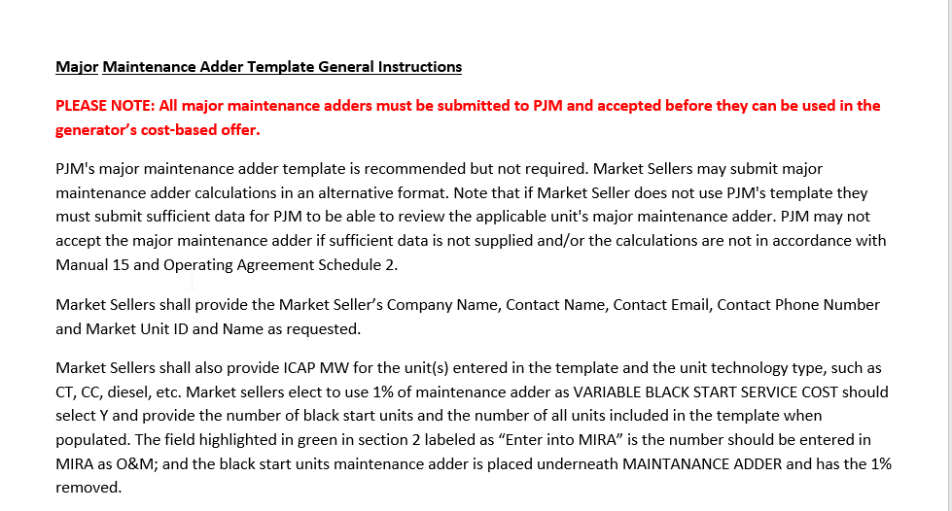

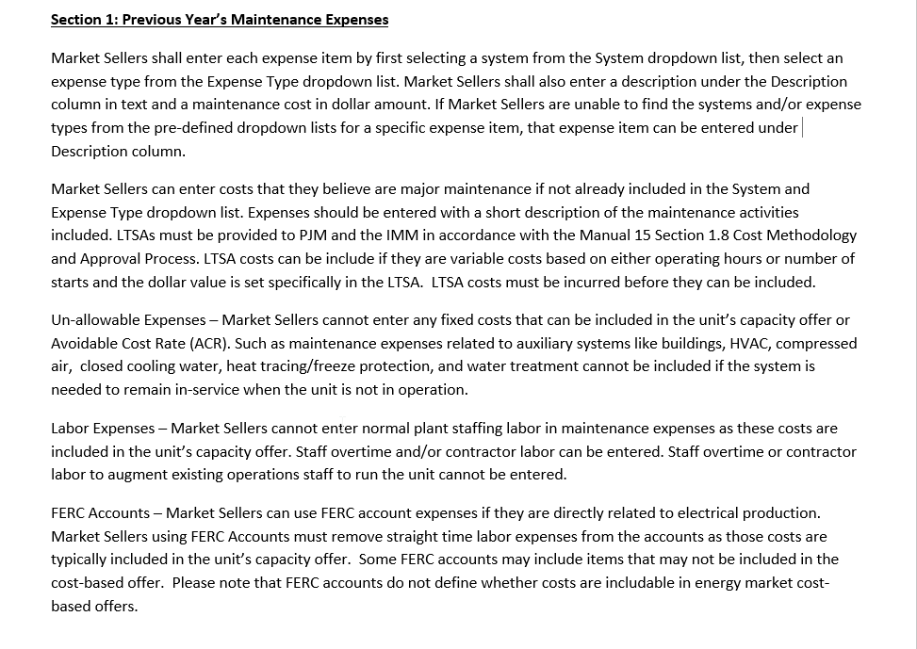

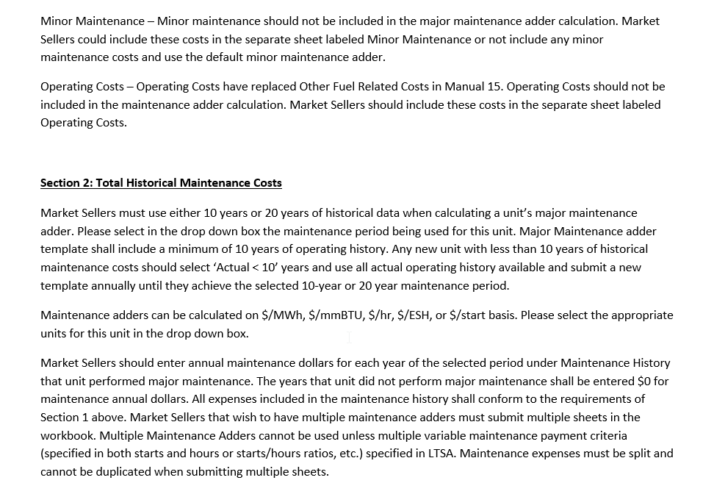

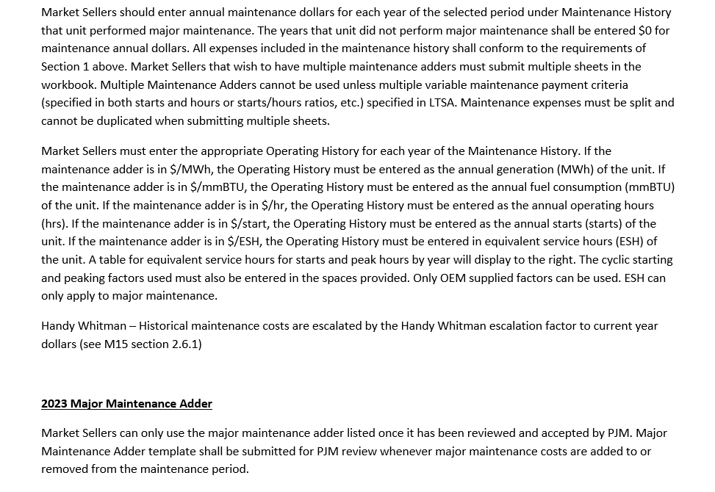

Minor MA Instructions
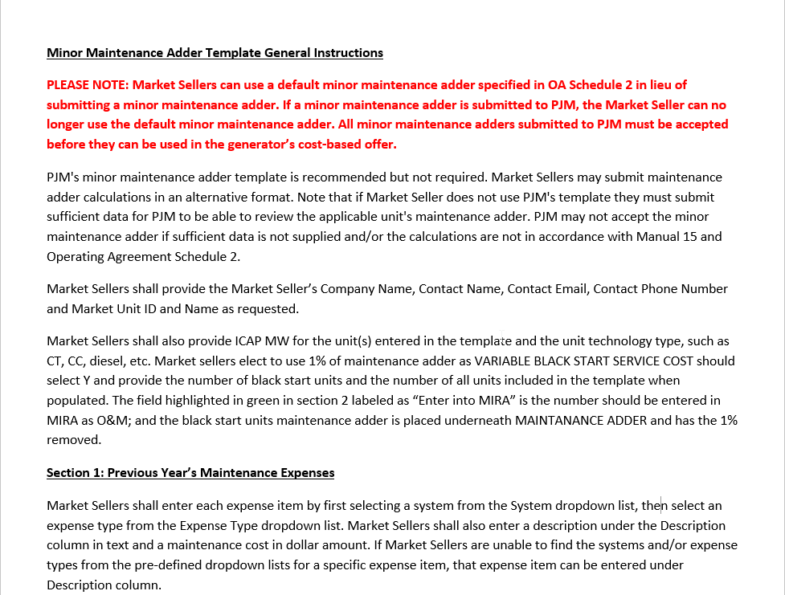

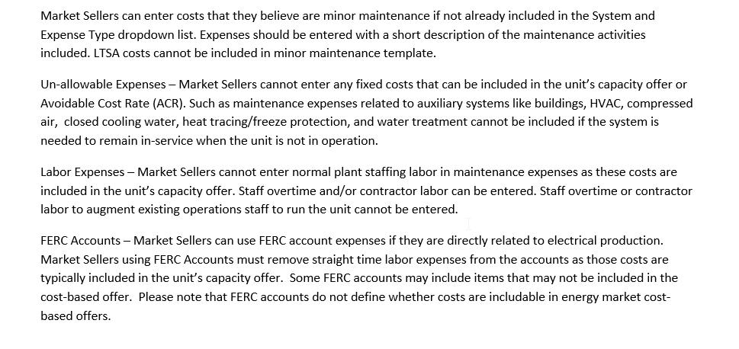

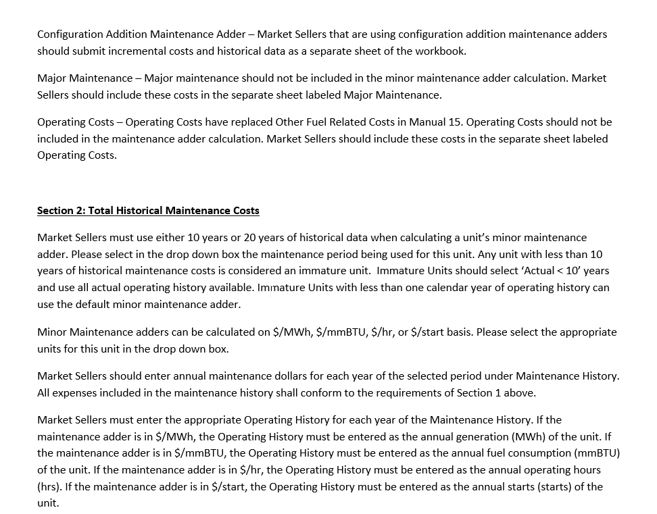

Operating Costs Instructions
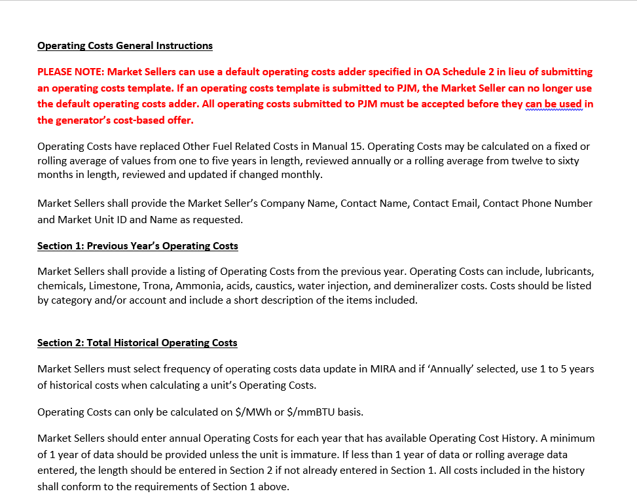

v

Operating Costs
UNIT INFORMATION

Market Seller Name

Contact Name

Contact Email

Contact Phone

Market Unit ID and Name

ICAP MW

Unit Technology Type (i.e CT, CC, Sub-critical Coal, Landfill Diesel, etc.)

SECTION 1: PREVIOUS YEAR'S OPERATING COSTS
INSTRUCTIONS: | Please add Previous Year's operating costs directly related to electric production. Note: Use of Operating Cost Type provided in the dropdown list is optional. If not used, Description must be provided. The full dropdown list can be found on 'Expense and Cost Type List' sheet.

Previous Year: 2022
Operating Cost Type | Description | Cost

Total Cost |  | $-

SECTION 2: TOTAL HISTORICAL OPERATING COST
INSTRUCTIONS: | Please fill out the table below using up to 5 years history. A minimum of 1 year of data should be provided unless the unit is immature. If less than 1 year of data or rolling average data entered, then please indicate length in Cell D58 as a note (unless already indicated in section 1). Note: If selecting Annual MWh, please only include hours with positive net MWhs.
Annually
Monthly
Frequency of Operating Cost Data update in MIRA: |  | Operating History Units:

 | Operating Cost History | Operating History |  | 2023 | 992 | 1.000
 |  |  |  | Handy Whitman
Year | Annual $ | Annual MWh |  | YEAR INDEX ESCALATION FACTOR
2022 | $- |  |  | 2022 | 953 | 1.041
2021 |  |  |  | 2021 | 861 | 1.152
2020 |  |  |  | 2020 | 779 | 1.273
2019 |  |  |  | 2019 | 760 | 1.305
2018 |  |  |  | 2018 | 745 | 1.332

Total Historical Operating Cost |  | $0.00
 | Total Annual MWh | -
Per Unit Operating Cost |  | #DIV/0! | /MWh

2023 MARKET SELLER REQUESTED OPERATING COST ADDER

OPERATING COST ADDER: | #DIV/0! | /MWh

